Year & Quarter
MATERNAL DEATHS BY YEAR |  |  |  |  |  |  | ALL COVID-19 DEATHS PER CDC
Year | All Maternal Deaths | Change from prior year | Maternal death, with a diagnosis of COVID-19 on death certficate* | Change from prior year | Maternal death, with COVID-19 as the underlying cause of death | Change from prior year | Year | Deaths | Change from prior year
2020 | 861 |  | 102 |  | 16 |  | 2020 | 385676
2021 | 1205 | 40% | 429 | 321% | 335 | 1994% | 2021 | 463267 | 20%
2022 | 819 | -32% | 88 | -79% | 53 | -84% | 2022 | 246223 | -47%
 |  |  |  |  |  |  | 2023* | 77443 | -69%
MATERNAL DEATHS BY QUARTER |  |  |  |  |  |  | Source: https://www.cdc.gov/nchs/nvss/vsrr/COVID19/ updated Jan. 5, 2024
 |  |  |  |  |  |  | * 2023 figures are provisional
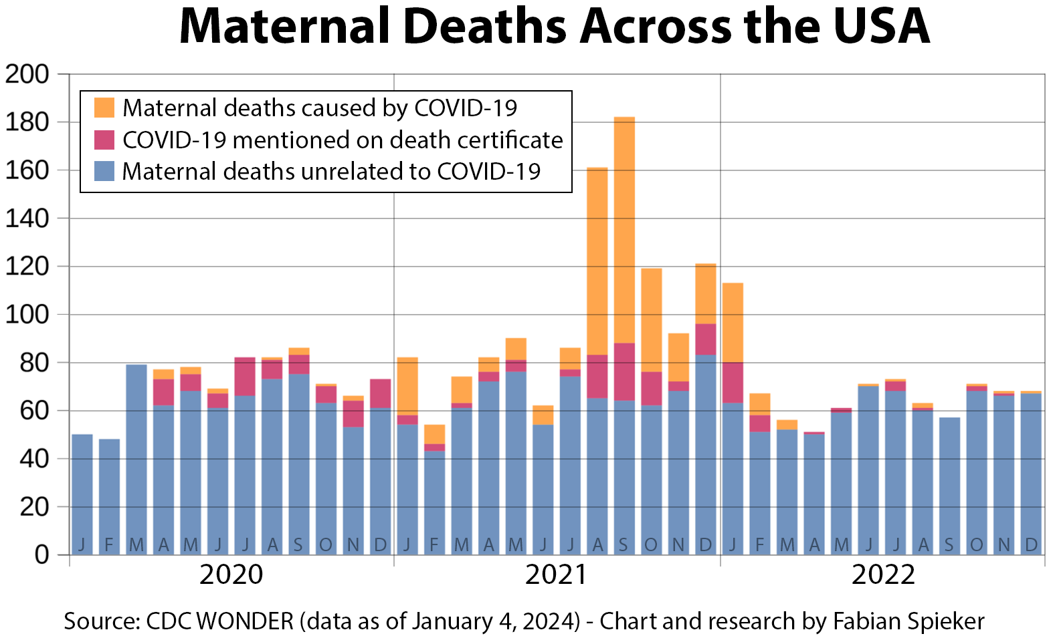
Quarter of each year | All Maternal Deaths | Maternal death, with a diagnosis of COVID-19 on death certficate* | Maternal death, with COVID-19 as the underlying cause of death
2020/Q1 | 177 | 0 | 0
2020/Q2 | 224 | 33 | 9
2020/Q3 | 250 | 36 | 4
2020/Q4 | 210 | 33 | 3
2021/Q1 | 210 | 52 | 43
2021/Q2 | 234 | 32 | 23
2021/Q3 | 429 | 226 | 181
2021/Q4 | 332 | 119 | 88
2022/Q1 | 236 | 70 | 46
2022/Q2 | 183 | 4 | 1
2022/Q3 | 193 | 8 | 3
2022/Q4 | 207 | 6 | 3

*Maternal death with a diagnosis of Covid-19 on the death certificate includes those for whom Covid was the underlying cause.

Source: CDC WONDER (data as of January 4, 2024)

Data downloaded and analyzed by Fabian Spieker with assistance of Mary Pat Campbell.

 | Fabian Spieker Substack: | https://substack.com/@covdata
 | Mary Pat Campbell Substack: | https://marypatcampbell.substack.com

